NAV-5-2G
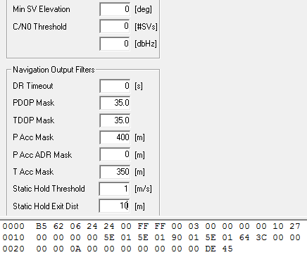

0000 B5 62 06 24 24 00 FF FF 00 03 00 00 00 00 10 27 0010 00 00 00 00 5E 01 5E 01 90 01 5E 01 64 3C 00 00 0020 00 00 0A 00 00 00 00 00 00 00 DE 45

AOP
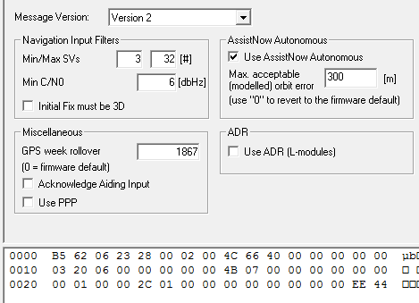

0000 B5 62 06 23 28 00 02 00 4C 66 40 00 00 00 00 00 0010 03 20 06 00 00 00 00 00 4B 07 00 00 00 00 00 00 0020 00 01 00 00 2C 01 00 00 00 00 00 00 00 00 EE 44

刷新率
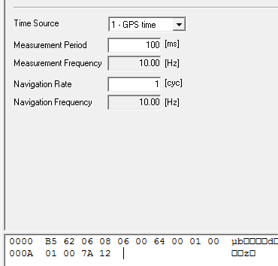

0000 B5 62 06 08 06 00 64 00 01 00 000A 01 00 7A 12

波特率
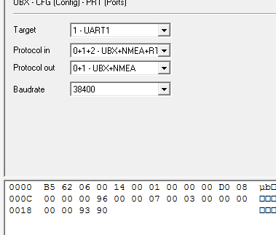

0000 B5 62 06 00 14 00 01 00 00 00 D0 08 000C 00 00 00 96 00 00 07 00 03 00 00 00 0018 00 00 93 90

备份AOP
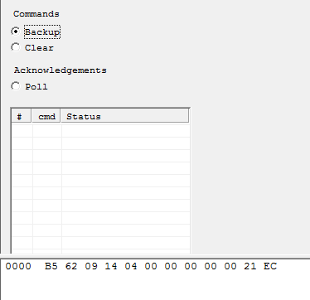

0000 B5 62 09 14 04 00 00 00 00 00 21 EC
上电每10S发一次，发30次后，每5分钟发一次

